affect costs in Azure
Total Cost of Ownership (TCO)
 | When performing a TCO analysis you must include all costs you are currently incurring in the on-premises environment that you will not pay for in the Azure Cloud

 | Define your workloads by specifying your current on-premises infrastructure based on service, databases, storage, and networking.
 | Then you can make adjustments to costs based on your location and organization.
 | Finally, you can view a report that shows your costs and savings over time.

Pricing Calculator
 | As you select your subscriptions, services, resources, and third-party solutions, you can add up your costs.

Azure Advisor
 | monitor your actual costs
 | It can make recommendations around unused resources and ways to optimize your services.
 | You can also set spending limits on your costs to prevent accidental cost overruns.

 | evaluates Azure resources and makes recommendations to help improve reliability, security, and performance, achieve operational excellence, and reduce costs.

capital expense (CapEx) to an operational expense (OpEx) of renting infrastructure as you need it

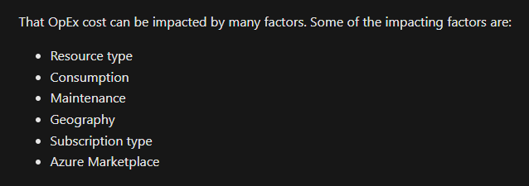
 |  | Resource type
 |  |  | The type of resources, the settings for the resource, and the Azure region will all have an impact on how much a resource costs.

 |  | Consumption
 |  |  | Pay-as-you-go
 |  |  | commit to using a set amount of cloud resources in advance and receiving discounts on those “reserved” resources

 |  | Maintenance
 |  |  | rapidly adjust resources based on demand
 |  |  | For example
 |  |  |  | every time you provision a VM, additional resources such as storage and networking are also provisioned
 |  |  |  | If you deprovision the VM, those additional resources may not deprovision at the same time,

 |  | Geography
 |  |  | enables you to deploy your services centrally or closest to your customers
 |  |  | The cost of power, labor, taxes, and fees vary depending on the location
 |  |  | Network traffic is also impacted based on geography
 |  |  |  | For example, it’s less expensive to move information within Europe than to move information from Europe to Asia or South America.

 |  | Network Traffic
 |  |  | Some inbound data transfers (data going into Azure datacenters) are free.
 |  |  | For outbound data transfers (data leaving Azure datacenters), data transfer pricing is based on zones.

 |  |  | A zone is a geographical grouping of Azure regions for billing purposes.

 |  | Subscription type

 |  | Azure Marketplace
 |  |  | lets you purchase Azure-based solutions and services from third-party vendors.

Compare Pricing n TCO calc
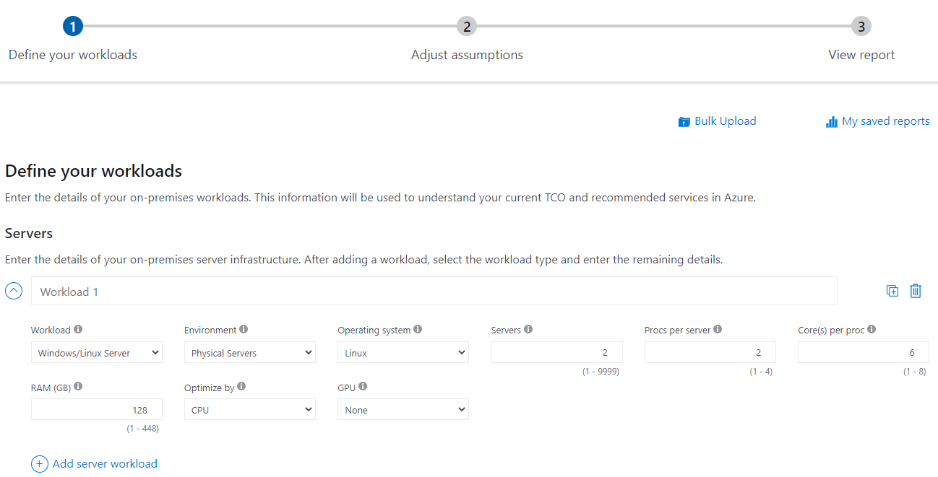
Pricing calculator
 | give you an estimated cost for provisioning resources in Azure

 | get an estimate for individual resources
 | build out a solution
 | use an example scenario to see an estimate of the Azure spend

TCO calculator
 | compare the costs for running an on-premises infrastructure compared to an Azure Cloud infrastructure
 | With the TCO calculator, you enter your configuration, add in assumptions like power and IT labor costs

Microsoft Cost Management tool
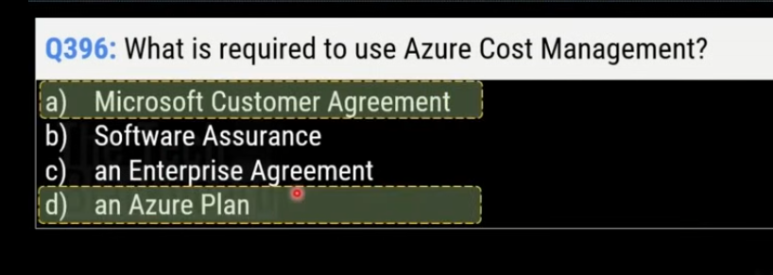
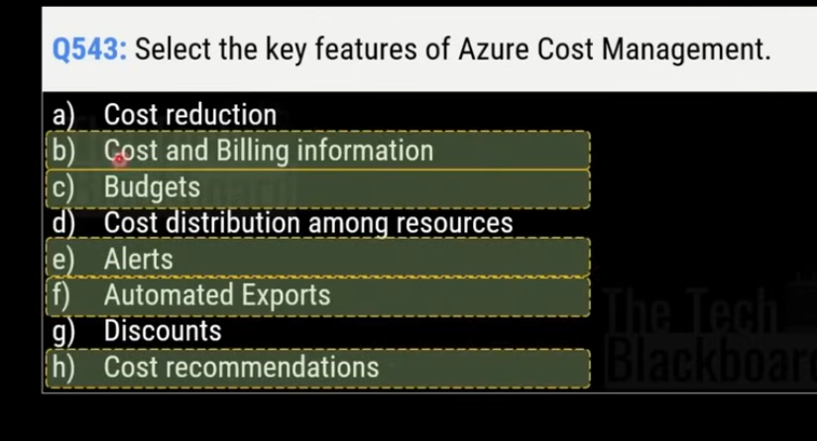
If you accidentally provision new resources, you may not be aware of them until it’s time for your invoice
Cost Management is a service that helps avoid those situations.

What is Cost Management?
 | quickly check Azure resource costs
 | create alerts based on resource spend
 | create budgets that can be used to automate management of resources.

 | Cost analysis provides a quick visual for your Azure costs
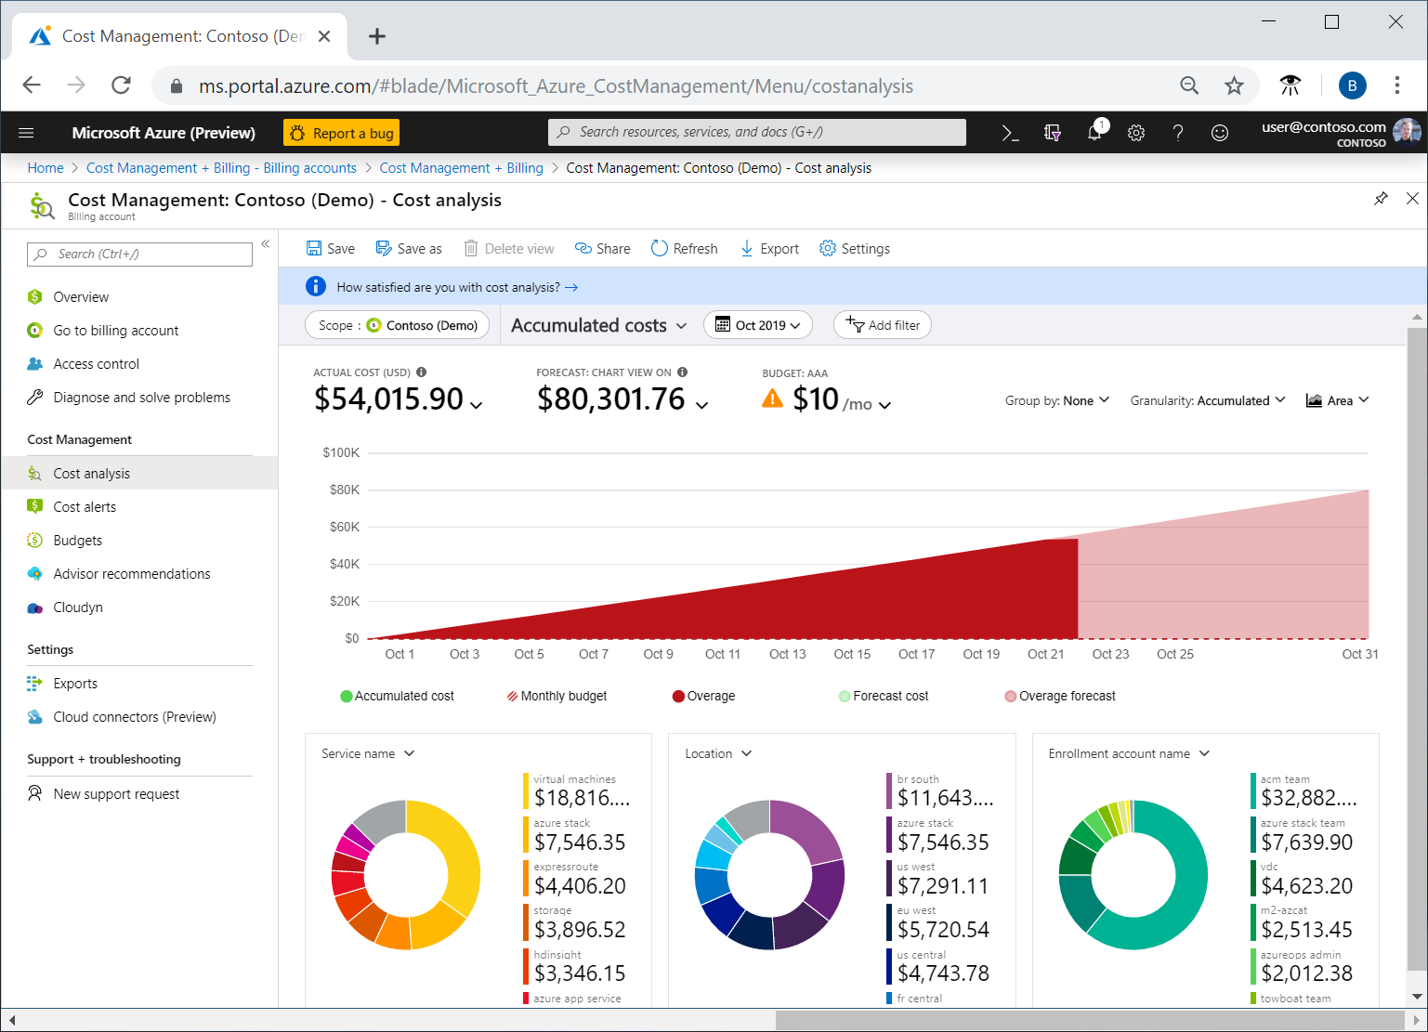

 | allows you to create and manage cost and usage budgets
 | use historical data to generate reports and forecast future usage and expenditures.

Cost alerts
 | Whenever an alert is generated, it appears in cost alerts. An alert email is also sent

 | Budget alerts
 |  | notify you when spending, based on usage or cost, reaches or exceeds the amount defined in the alert condition of the budget.
 |  | Budget alerts are generated automatically whenever the budget alert conditions are met.

 | Credit alerts
 |  | notify you when your Azure credit monetary commitments are consumed.

 | Department spending quota alerts
 |  | notify you when department spending reaches a fixed threshold of the quota.

Budgets

